About

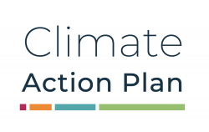
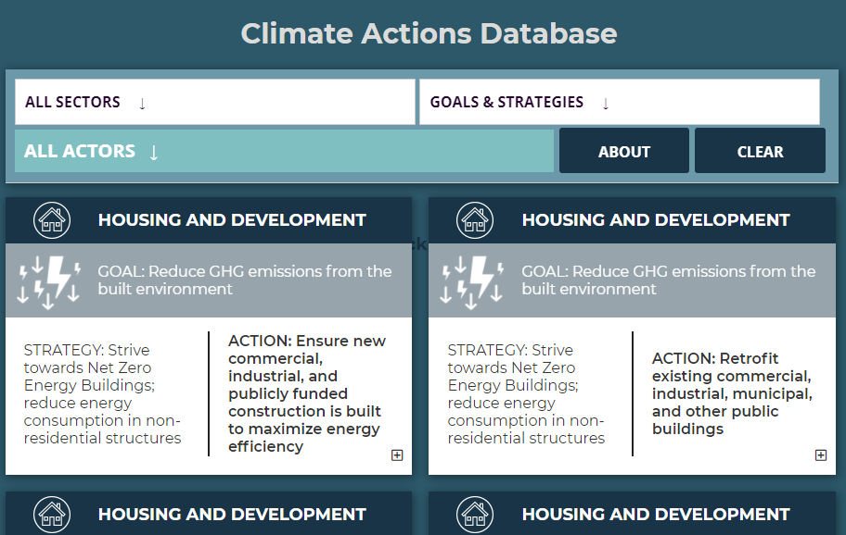
About the Climate Actions Database
As a component of the Cape Cod Climate Initiative, the Cape Cod Commission engaged stakeholders in a series of meetings during the fall of 2020 to discuss the challenges and opportunities around addressing climate change on Cape Cod.
The Cape Cod Climate Actions Database emerged from those community discussions, building on research on climate action plans from around the country and enriched by local knowledge, expertise, and experience. Many of the goals, strategies, actions, and steps identified through the workshops and focus groups were later incorporated into the Cape Cod Climate Action Plan (2021); all of the actions discussed during that public process are compiled in this spreadsheet and the Online Climate Actions Database.
The Climate Actions Database is meant to be a living document, and actions and steps may be added or modified as more information becomes available.
[Database updated October 2021]
Click on the following icons to learn more
Updated October 2021

